Φύλλο1
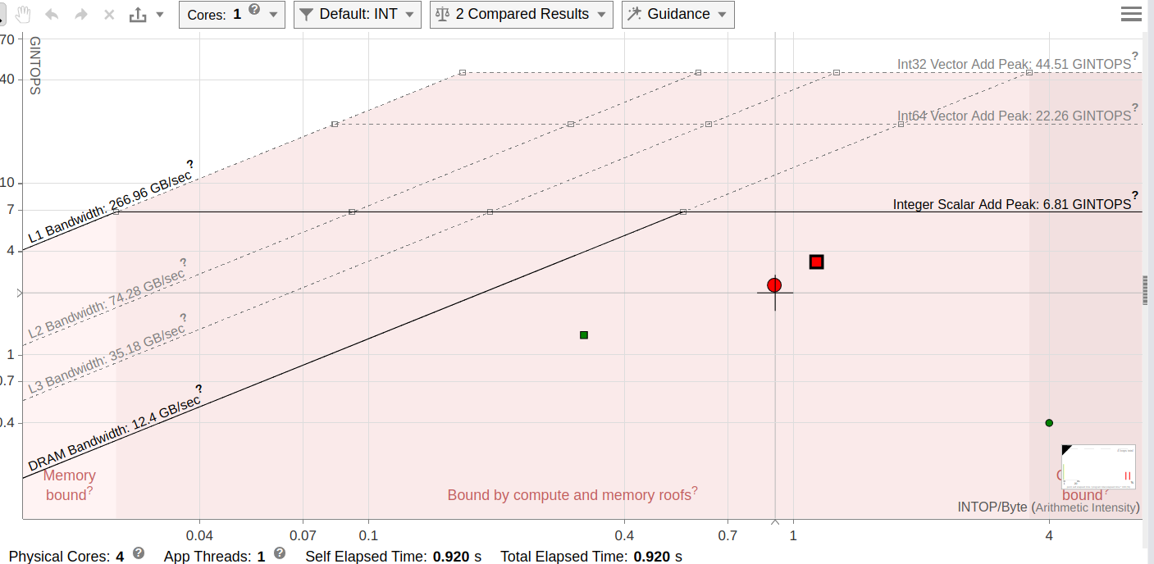
x86 |  |  |  |  | ARM |  |  |  |  | FPGA
Ν | Μ | unoptimised (s) | optimised (s) | Optimisation | Ν | Μ | unoptimised (s) | optimised (s) | Optimisation | Ν | Μ | unoptimised (s) | sol 1 | sol 2 | sol 3 | Optimisation
32 | 32 | 0.00002 | 0.000015 | 25.0000% | 32 | 32 | 0.000098 | 0.000045 | 54.0816% | 32 | 32 | 0.002565564 | 0.000817334 |  |  | 68.1421%
32 | 65536 | 0.037108 | 0.024057 | 35.1703% | 32 | 65536 | 0.175177 | 0.076079 | 56.5702% | 32 | 65536 | 3.268688927 | 0.380162242 | 0.1757924 |  | 94.6219%
256 | 65536 | 0.303335 | 0.196926 | 35.0797% | 256 | 65536 | 1.402216 | 0.586488 | 58.1742% | 256 | 65536 | 0.443408594 | 2.176 |  |  | -390.7438%
256 | 300000 | 1.388256 | 0.897239 | 35.3693% | 256 | 300000 | 6.417753 | 2.685104 | 58.1613% | 256 | 300000 | - | - | - |  | -
LSAL performance on x86
LSAL performance on ARM
 |  |  |  |  |  |  |  |  |  |  |  |  | no pipeline | pipeline=32
 |  |  |  |  |  |  |  |  |  |  |  |  | buffers | read after write dependencies

x86 vs ARM Optimized |  |  |  |  | x86 vs ARM Unoptimized |  |  |  |  | FPGA x86
Ν | Μ | ARM | x86 | Optimisation | Ν | Μ | ARM | x86 | Optimisation | Ν | Μ | x86 | FPGA best solution | Optimisation
32 | 32 | 0.000045 | 0.000015 | 66.6667% | 32 | 32 | 0.000098 | 0.00002 | 79.5918% | 32 | 32 | 0.000015 | 0.000817334 | -5348.8933%
32 | 65536 | 0.076079 | 0.024057 | 68.3789% | 32 | 65536 | 0.175177 | 0.037108 | 78.8169% | 32 | 65536 | 0.024057 | 0.1757924 | -630.7328%
256 | 65536 | 0.586488 | 0.196926 | 66.4228% | 256 | 65536 | 1.402216 | 0.303335 | 78.3675% | 256 | 65536 | 0.196926 | 2.176 | -1004.9836%
256 | 300000 | 2.685104 | 0.897239 | 66.5846% | 256 | 300000 | 6.417753 | 1.388256 | 78.3685% | 256 | 300000 | - | - | -
x86 vs ARM Unoptimised
x86 vs ARM Unoptimised

